Water sensor
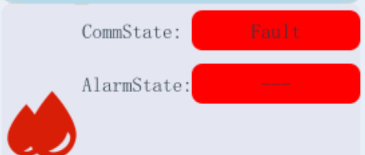
Register Type | Register Address |  | Attributes | Meaning | Data Types | Coefficient | Offset | Decimal pointPrecision required | Units | Remarks
 | Hexadecimal | Decimal
Read Water sensor data (Modbus address starting from 101, input registers,function code 0x04) | 02BD | 701 | RO | Communication between BMS and sensor | UINT16 | 1 | 0 |  |  | 0--normal, 1--fault
 | 02BE | 702 | RO | reserve | UINT16 | 1 | 0
 | 02BF | 703 | RO | reserve | UINT16 | 1 | 0
 | 02C0 | 704 | RO | Alarm state | UINT16 | 1 | 0 |  |  | 0--normal, 1--alarm
 | 02C1 | 705 | RO | reserve | UINT16 | 1 | 0
 | 320 | 800 | RO | reserve | UINT16 | 1 | 0
 | The Above is the data of the UINT16 type , and the following is the data of the FLOAT Type
 | 321 | 801 | RO | reserve | FLOAT | 1 | 0
 | 3.00E+07 | 999 | RO | reserve | FLOAT | 1 | 0

Dehumidification
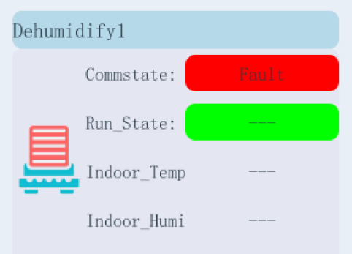
Register Type | Register Address |  | Attributes | Meaning | Data Types | Coefficient | Offset | Decimal pointPrecision required | Units | Remarks
 | Hexadecimal | Decimal
Read Dehumidification data (Modbus address starting from 101, input registers,function code 0x04) | 0E75 | 3701 | RO | Communication between BMS and Dehumidification | UINT16 | 1 | 0 |  |  | 0--normal, 1--fault
 | 0E76 | 3702 | RO | reserve | UINT16
 | 0E77 | 3703 | RO | Running state | UINT16 | 1 | 0 |  |  | 0--stop, 1--run
 | 0E78 | 3704 | RO | Alarm state | UINT16 | 1 | 0 |  |  | 0--normal, 1--alarm
 | 0E79 | 3705 | RO | reserve | UINT16 | 1 | 0
 | 0ED8 | 3800 | RO | reserve | UINT16 | 1 | 0
 | The Above is the data of the UINT16 type , and the following is the data of the FLOAT Type
 | 0ED9 | 3801 | RO | indoor temp | FLOAT | 1 | 0 | 0.1 | ℃
 | 0EDB | 3803 | RO | indoor humidity | FLOAT | 1 | 0 | 0.1 | %RH
 | 0EDD | 3805 | RO | Set start temperature | FLOAT | 1 | 0 | 0.1 | ℃
 | 0EDF | 3807 | RO | Set differential temperature | FLOAT | 1 | 0 | 0.1 | ℃
 | 0EE1 | 3809 | RO | Set start humidity | FLOAT | 1 | 0 | 0.1 | %RH
 | 0EE3 | 3811 | RO | Set differential humidity | FLOAT | 1 | 0 | 0.1 | %RH
 | 0EE5 | 3813 | RO | reserve | FLOAT | 1 | 0
 | 0F9F | 3999 | RO | reserve | FLOAT | 1 | 0

